Penny 1996
Penny ice cap 1996 borehole
Measurements made in the borehole in 1997
Latitude | N 67 deg 18'
Longitude | W 65 deg 12'
Altitude | 1810 m asl
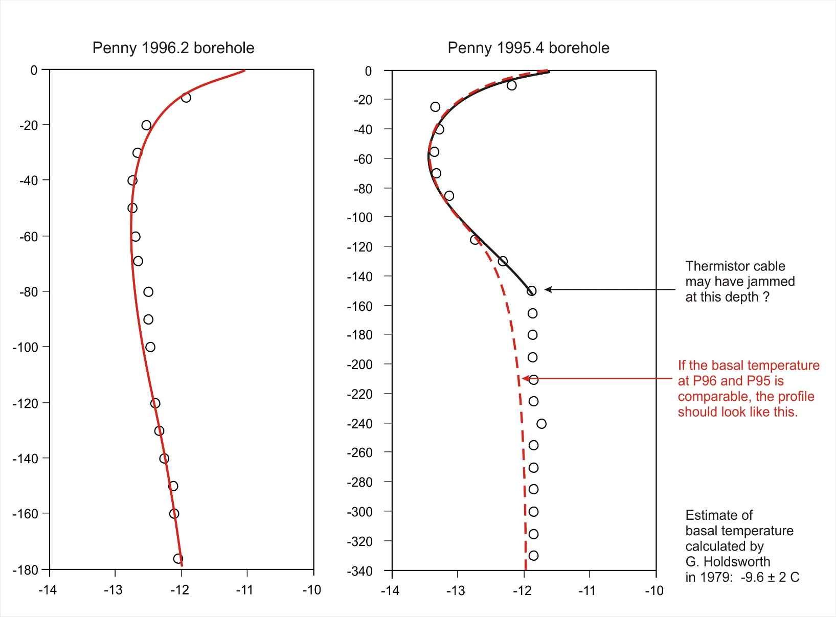
 |  |  |  |  | Data from NRC certificate of calibration for thermistors (97/01/17)
Depth | R_1 | R_2
(m) | kOhms | kOhms | R_average | T (C) | Resistance to temperature conversion equation:

-10 | 64.61 | 64.59 | 64.60 | -11.93 | 1/T (Kelvin) = A + [B x LN(R)] + [C x (LN(R))^3]
-20 | 66.83 | 66.80 | 66.82 | -12.53
-30 | 67.34 | 67.32 | 67.33 | -12.67 | where R is measured resistance in Ohms
-40 | 67.66 | 67.64 | 67.65 | -12.75 | and the coefficients are:
-50 | 67.70 | 67.60 | 67.65 | -12.75
-60 | 67.45 |  | 67.45 | -12.70 | A | 1.46940E-03
-70 | 66.74 |  | 66.74 | -12.51 | B | 1.89126E-04
-80 | 66.74 | 66.74 | 66.74 | -12.51 | C | 1.94334E-07
-90 | 66.69 | 66.69 | 66.69 | -12.50
-100 | 66.60 | 66.62 | 66.61 | -12.48 | Expanded uncertainty on thermistor = ± 0.080 C (95 % confidence interval)
-120 | 66.34 | 66.33 | 66.34 | -12.40
-130 | 66.09 | 66.08 | 66.09 | -12.34 | Calibration checkpoints:
-140 | 65.82 | 65.81 | 65.82 | -12.26
-150 | 65.35 | 65.33 | 65.34 | -12.13 | T (C) | R (Ohms)
-160 | 65.25 | 65.23 | 65.24 | -12.11
-176 | 65.10 | 65.05 | 65.07 | -12.06 | -30 | 186816
 |  |  |  |  | -25 | 137894
 |  |  |  |  | -20 | 102550
 |  |  |  |  | -15 | 76819
 |  |  |  |  | -10 | 57948
 |  |  |  |  | -5 | 44009
 |  |  |  |  | 0 | 33642

